Sheet1
Ahmad Danial Zainudin, MSc, MSTA, CFTe
60 (3) 2082 6904
ahmaddanial.za@maybank-ib.com
ACTIVE MONTH | COMEX Gold February 2020 |  |  |  |  |  | 2020-01-09
First Notice Day 31st January 2020

Gold headed for the first back-to-back decline since November as the U.S. and Iran stepped back from a deeper military conflict, blunting the appeal of haven assets as global equities gained ground. Palladium motored to yet another record, extending a meteoric rally.
Bullion headed lower after a retaliatory Iranian missile attack on two U.S. bases in Iraq on Wednesday caused no casualties, allowing President Donald Trump an opportunity to stand down from what had looked like an escalation toward a Mideast war. Stocks in Asia extended a rally that began in America.
After the slump, bullion remains higher this year, building on the commodity’s 18% gain in 2019. Investors are weighing lower interest rates that have cut the opportunity cost of holding gold, while trade-war related risks between the U.S. and China still exist as progress beyond any phase-one deal is still in question. There’s also the possibility that Mideast tensions may spike once again.
Highlights
 |  |  |  |  | COMEX Gold's Market Movers
 |  |  |  |  |  |  | Close | % Change
 |  |  |  |  | DJIA |  | 28745.09 | 0.56
 |  |  |  |  | NYMEX Crude Oil |  | 59.75 | 0.23
 |  |  |  |  | Dollar Index |  | 97.33 | 0.03
 |  |  |  |  | Spot Gold |  | 1548.28 | -0.52

 |  |  |  |  | Key Economic Data
Initial Jobless Claims 9.30pm

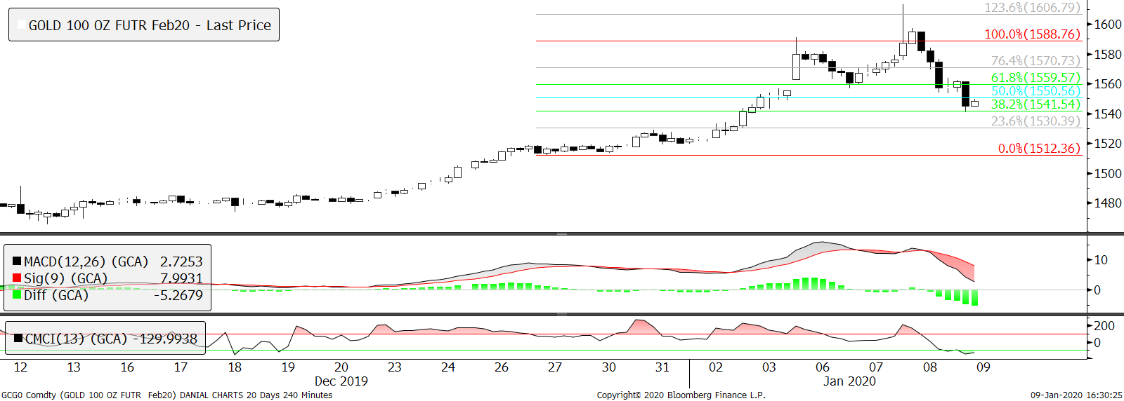
Technical Section
 |  |  |  |  | Pivot Values

 |  |  |  |  | 3rd Resistance |  | 1,695.4
 |  |  |  |  | 2nd Resistance |  | 1,635.5
 |  |  |  |  | 1st Resistance |  | 1,597.8
 |  |  |  |  | Last price |  | 1,560.2
 |  |  |  |  | 1st Support |  | 1,537.9
 |  |  |  |  | 2nd Support |  | 1,515.7
 |  |  |  |  | 3rd Support |  | 1,455.8

 |  |  |  |  | Intraday Outlook
 |  |  |  |  | Momentum |  | Trend

 |  |  |  |  | Aggregate Open Interest
 |  |  |  | #N/A | Previous |  | Latest
 |  |  |  |  |  |  | 787,584
SMA 5 Days | SMA 20 Days | SMA 100 Days | RSI |  | Upper Bollinger |  | Lower Bollinger
1,560.86 | 1511.69 | 1,505.55 | 65.75 |  | 1578.25 |  | 1445.10

Fundamental analysis are based on conclusive assessment of time varying key market movers. While technical analysis use a 4-hour chart to analyse the potential movement for intraday trading.
68.30372
3181.006
2778.294

WARNING: TRADING IN FUTURES IS HIGHLY LEVERAGED AND CARRIES A HIGH DEGREE OF RISK WHICH MIGHT NOT BE SUITABLE FOR THE GENERAL PUBLIC. INVESTORS SHOULD CONSIDER WHETHER SUCH TRADING IS APPRORIATE IN LIGHT OF THEIR EXPERIENCE, OBJECTIVES, FINANCIAL RESOURCES AND OTHER RELEVANT FACTORS BEFORE COMMENCEMENT. The materials, information and functions provided in this report shall not under any circumstances be considered or construed as an offer or solicitation to sell, buy, give, take, issue, allot or transfer, or as the giving of any advice in respect of shares, stocks, bonds, notes, interests, unit trusts, mutual funds or other securities, investments, loans, advances, credits or deposits in any jurisdiction.

WARNING: TRADING IN FUTURES IS HIGHLY LEVERAGED AND CARRIES A HIGH DEGREE OF RISK WHICH MIGHT NOT BE SUITABLE FOR THE GENERAL PUBLIC. INVESTORS SHOULD CONSIDER WHETHER SUCH TRADING IS APPRORIATE IN LIGHT OF THEIR EXPERIENCE, OBJECTIVES, FINANCIAL RESOURCES AND OTHER RELEVANT FACTORS BEFORE COMMENCEMENT
The materials, information and functions provided in this report shall not under any circumstances be considered or construed as an offer or solicitation to sell, buy, give, take, issue, allot or transfer, or as the giving of any advice in respect of shares, stocks, bonds, notes, interests, unit trusts, mutual funds or other securities, investments, loans, advances, credits or deposits in any jurisdiction

